General info
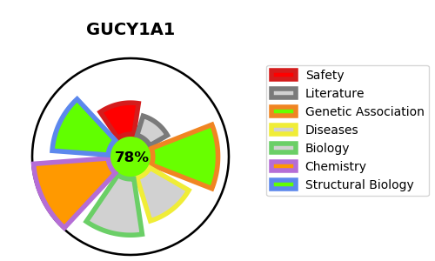
Gene_name | GUCY1A1 | Tractable | Tractability_probability
Synonyms | 4.6.1.2,GCS-beta-1,GCS-beta-3,GUC1B3,GUCSB3,GUCY1B1,GUCY1B3,Guanylate cyclase soluble subunit beta-1,Guanylate cyclase soluble subunit beta-3,Soluble guanylate cyclase small subunit,GCS-alpha-1,GCS-alpha-3,GUC1A3,GUCSA3,GUCY1A1,GUCY1A3,Guanylate cyclase soluble subunit alpha-1,Guanylate cyclase soluble subunit alpha-3,Soluble guanylate cyclase large subunit | True | 78.08
Target_id | Q02108 | In Training data set ?
Protein_class | Soluble guanylate cyclase | No
Protein_class_desc | enzyme -> lyase -> guanylate cyclase -> soluble guanylate cyclase
Species | Homo sapiens (Human).
Number_isoforms | 2

DISEASE |  | PATHWAYS
disease_id | disease_name | Reactome | KEGG
OMIM:615750 | MOYAMOYA DISEASE 6 WITH OR WITHOUT ACHALASIA | Hemostasis
 |  | Muscle contraction
 |  | Nitric oxide stimulates guanylate cyclase
 |  | Platelet homeostasis
 |  | Smooth Muscle Contraction

