General info
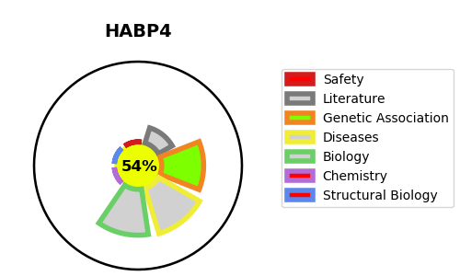
Gene_name | HABP4 | Tractable | Tractability_probability
Synonyms | Not found | True | 54.06
Target_id | Q5JVS0 | In Training data set ?
Protein_class |  | No
Protein_class_desc
Species | Homo sapiens (Human).
Number_isoforms | 2

DISEASE |  | PATHWAYS
disease_id | disease_name | Reactome | KEGG
 |  | Hemostasis
 |  | Platelet activation, signaling and aggregation
 |  | Platelet degranulation
 |  | Response to elevated platelet cytosolic Ca2+

