General info
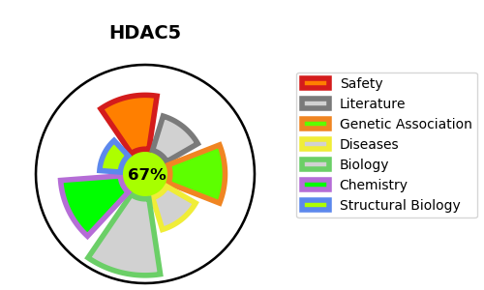
Gene_name | HDAC5 | Tractable | Tractability_probability
Synonyms | 3.5.1.98,Antigen NY-CO-9,HD5,HDAC5,Histone deacetylase 5,KIAA0600 | True | 67.38
Target_id | Q9UQL6 | In Training data set ?
Protein_class | HDAC class IIa | No
Protein_class_desc | epigenetic regulator -> eraser -> hdac -> hdac class iia
Species | Homo sapiens (Human).
Number_isoforms | 3

DISEASE |  | PATHWAYS
disease_id | disease_name | Reactome | KEGG
 |  | Constitutive Signaling by NOTCH1 HD+PEST Domain Mutants
 |  | Constitutive Signaling by NOTCH1 PEST Domain Mutants
 |  | Disease
 |  | Diseases of signal transduction by growth factor receptors and second messengers
 |  | Gene expression (Transcription)
 |  | Generic Transcription Pathway
 |  | Intracellular signaling by second messengers
 |  | NOTCH1 Intracellular Domain Regulates Transcription
 |  | Notch-HLH transcription pathway
 |  | PIP3 activates AKT signaling
 |  | PTEN Regulation
 |  | RNA Polymerase II Transcription
 |  | Regulation of PTEN gene transcription
 |  | Signal Transduction
 |  | Signaling by NOTCH
 |  | Signaling by NOTCH1
 |  | Signaling by NOTCH1 HD+PEST Domain Mutants in Cancer
 |  | Signaling by NOTCH1 PEST Domain Mutants in Cancer
 |  | Signaling by NOTCH1 in Cancer

