General info
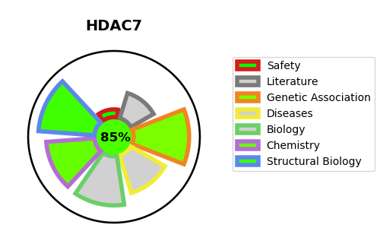
Gene_name | HDAC7 | Tractable | Tractability_probability
Synonyms | 3.5.1.98,HD7,HD7a,HDAC7,HDAC7A,Histone deacetylase 7,Histone deacetylase 7A | True | 85.86
Target_id | Q8WUI4 | In Training data set ?
Protein_class | HDAC class IIa | No
Protein_class_desc | epigenetic regulator -> eraser -> hdac -> hdac class iia
Species | Homo sapiens (Human).
Number_isoforms | 10

DISEASE |  | PATHWAYS
disease_id | disease_name | Reactome | KEGG
 |  | Constitutive Signaling by NOTCH1 HD+PEST Domain Mutants
 |  | Constitutive Signaling by NOTCH1 PEST Domain Mutants
 |  | Disease
 |  | Diseases of signal transduction by growth factor receptors and second messengers
 |  | Gene expression (Transcription)
 |  | Generic Transcription Pathway
 |  | Intracellular signaling by second messengers
 |  | Metabolism of proteins
 |  | NOTCH1 Intracellular Domain Regulates Transcription
 |  | Notch-HLH transcription pathway
 |  | PIP3 activates AKT signaling
 |  | PTEN Regulation
 |  | Post-translational protein modification
 |  | RNA Polymerase II Transcription
 |  | Regulation of PTEN gene transcription
 |  | SUMO E3 ligases SUMOylate target proteins
 |  | SUMOylation
 |  | SUMOylation of DNA damage response and repair proteins
 |  | Signal Transduction
 |  | Signaling by NOTCH
 |  | Signaling by NOTCH1
 |  | Signaling by NOTCH1 HD+PEST Domain Mutants in Cancer
 |  | Signaling by NOTCH1 PEST Domain Mutants in Cancer
 |  | Signaling by NOTCH1 in Cancer

