General info
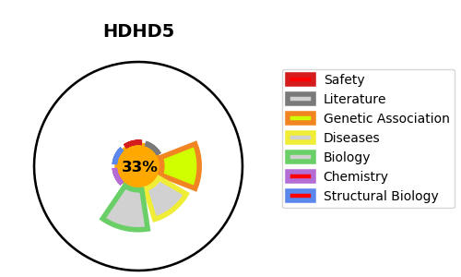
Gene_name | HDHD5 | Tractable | Tractability_probability
Synonyms | CECR5 {ECO:0000312|HGNC:HGNC:1843} | False | 33.22
Target_id | Q9BXW7 | In Training data set ?
Protein_class |  | No
Protein_class_desc
Species | Homo sapiens (Human).
Number_isoforms | 2

DISEASE |  | PATHWAYS
disease_id | disease_name | Reactome | KEGG

