General info
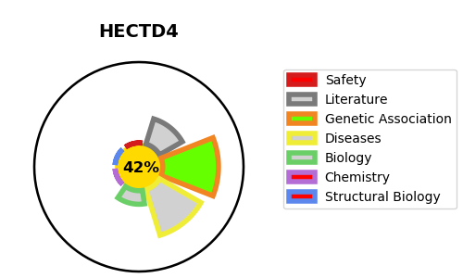
Gene_name | HECTD4 | Tractable | Tractability_probability
Synonyms | C12orf51, KIAA0614 | False | 42.77
Target_id | Q9Y4D8 | In Training data set ?
Protein_class |  | No
Protein_class_desc
Species | Homo sapiens (Human).
Number_isoforms | 5

DISEASE |  | PATHWAYS
disease_id | disease_name | Reactome | KEGG

