General info
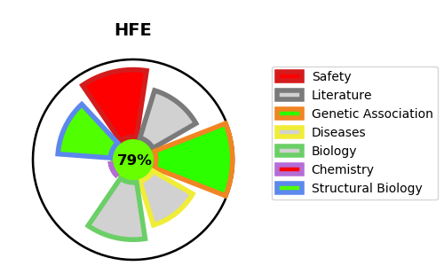
Gene_name | HFE | Tractable | Tractability_probability
Synonyms | HLAH | True | 79.72
Target_id | Q30201 | In Training data set ?
Protein_class |  | No
Protein_class_desc
Species | Homo sapiens (Human).
Number_isoforms | 11

DISEASE |  | PATHWAYS
disease_id | disease_name | Reactome | KEGG
OMIM:104300 | ALZHEIMER DISEASE | Iron uptake and transport
OMIM:176100 | PORPHYRIA CUTANEA TARDA | Transferrin endocytosis and recycling
OMIM:176200 | VARIEGATE PORPHYRIA | Transport of small molecules
OMIM:235200 | HEMOCHROMATOSIS, TYPE 1
OMIM:612635 | MICROVASCULAR COMPLICATIONS OF DIABETES, SUSCEPTIBILITY TO, 7
OMIM:614193 | TRANSFERRIN SERUM LEVEL QUANTITATIVE TRAIT LOCUS 2

