General info
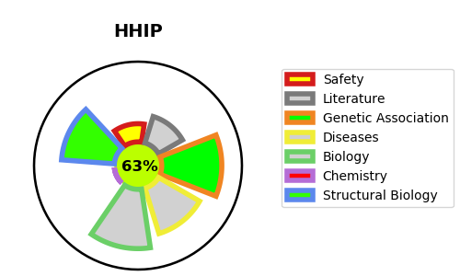
Gene_name | HHIP | Tractable | Tractability_probability
Synonyms | HIP | True | 63.46
Target_id | Q96QV1 | In Training data set ?
Protein_class |  | No
Protein_class_desc
Species | Homo sapiens (Human).
Number_isoforms | 2

DISEASE |  | PATHWAYS
disease_id | disease_name | Reactome | KEGG
 |  | Hedgehog 'on' state
 |  | Ligand-receptor interactions
 |  | Signal Transduction
 |  | Signaling by Hedgehog

