General info
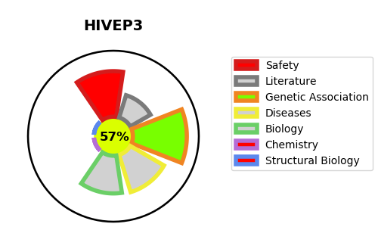
Gene_name | HIVEP3 | Tractable | Tractability_probability
Synonyms | KBP1, KIAA1555, KRC, ZAS3 | True | 57.41
Target_id | Q5T1R4 | In Training data set ?
Protein_class |  | No
Protein_class_desc
Species | Homo sapiens (Human).
Number_isoforms | 2

DISEASE |  | PATHWAYS
disease_id | disease_name | Reactome | KEGG
 |  | Gene expression (Transcription)
 |  | Generic Transcription Pathway
 |  | RNA Polymerase II Transcription
 |  | Regulation of RUNX2 expression and activity
 |  | Transcriptional regulation by RUNX2

