General info
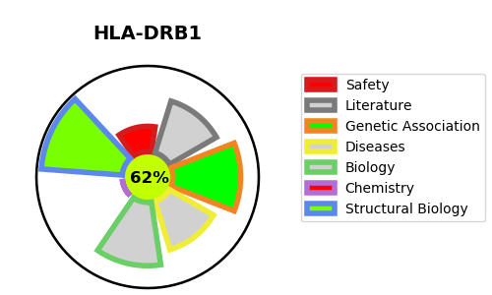
Gene_name | HLA-DRB1 | Tractable | Tractability_probability
Synonyms | DR-1,DR1,HLA class II histocompatibility antigen, DRB1-1 beta chain,HLA-DRB1,MHC class II antigen DRB1*1,HLA class II histocompatibility antigen, DR beta 3 chain,HLA-DRB3,MHC class II antigen DRB3,DRw10,HLA class II histocompatibility antigen, DRB1-10 beta chain,MHC class II antigen DRB1*10,DR-8,DR8,DRw8,HLA class II histocompatibility antigen, DRB1-8 beta chain,MHC class II antigen DRB1*8,DR-16,DR16,HLA class II histocompatibility antigen, DRB1-16 beta chain,MHC class II antigen DRB1*16,Clone P2-beta-3,HLA class II histocompatibility antigen, DRB1-3 chain,MHC class II antigen DRB1*3,DR-9,DR9,HLA class II histocompatibility antigen, DRB1-9 beta chain,MHC class II antigen DRB1*9,DR-12,DR12,HLA class II histocompatibility antigen, DRB1-12 beta chain,MHC class II antigen DRB1*12,DR-13,DR13,HLA class II histocompatibility antigen, DRB1-13 beta chain,MHC class II antigen DRB1*13,DR-4,DR4,HLA class II histocompatibility antigen, DRB1-4 beta chain,MHC class II antigen DRB1*4,DR-7,DR7,HLA class II histocompatibility antigen, DRB1-7 beta chain,MHC class II antigen DRB1*7,DR beta-5,DR2-beta-2,Dw2,HLA class II histocompatibility antigen, DR beta 5 chain,HLA-DRB5,MHC class II antigen DRB5,DW2.2/DR2.2,HLA class II histocompatibility antigen, DRB1-15 beta chain,HLA-DRB2,MHC class II antigen DRB1*15,DR-14,DR14,HLA class II histocompatibility antigen, DRB1-14 beta chain,MHC class II antigen DRB1*14,DR-5,DR5,DRw11,HLA class II histocompatibility antigen, DRB1-11 beta chain,MHC class II antigen DRB1*11,HLA class II histocompatibility antigen, DR beta 4 chain,HLA-DRB4,MHC class II antigen DRB4 | True | 62.07
Target_id | Q5Y7A7 | In Training data set ?
Protein_class | Surface antigen | No
Protein_class_desc | surface antigen
Species | Homo sapiens (Human).
Number_isoforms | 0

DISEASE |  | PATHWAYS
disease_id | disease_name | Reactome | KEGG
OMIM:126200 | MULTIPLE SCLEROSIS, SUSCEPTIBILITY TO | Adaptive Immune System
OMIM:181000 | SARCOIDOSIS, SUSCEPTIBILITY TO, 1 | Costimulation by the CD28 family
 |  | Cytokine Signaling in Immune system
 |  | Downstream TCR signaling
 |  | Generation of second messenger molecules
 |  | Immune System
 |  | Interferon Signaling
 |  | Interferon gamma signaling
 |  | MHC class II antigen presentation
 |  | PD-1 signaling
 |  | Phosphorylation of CD3 and TCR zeta chains
 |  | TCR signaling
 |  | Translocation of ZAP-70 to Immunological synapse

