General info
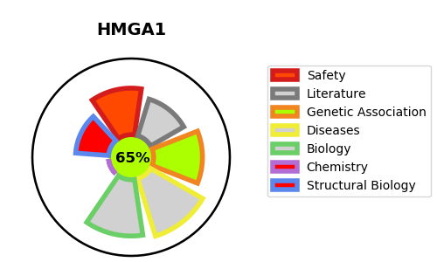
Gene_name | HMGA1 | Tractable | Tractability_probability
Synonyms | HMGIY | True | 65.88
Target_id | P17096 | In Training data set ?
Protein_class |  | No
Protein_class_desc
Species | Homo sapiens (Human).
Number_isoforms | 3

DISEASE |  | PATHWAYS
disease_id | disease_name | Reactome | KEGG
OMIM:125853 | TYPE 2 DIABETES MELLITUS | 2-LTR circle formation
 |  | APOBEC3G mediated resistance to HIV-1 infection
 |  | Autointegration results in viral DNA circles
 |  | Cellular Senescence
 |  | Cellular responses to external stimuli
 |  | Cellular responses to stress
 |  | DNA Damage/Telomere Stress Induced Senescence
 |  | Disease
 |  | Early Phase of HIV Life Cycle
 |  | Formation of Senescence-Associated Heterochromatin Foci (SAHF)
 |  | HIV Infection
 |  | HIV Life Cycle
 |  | Host Interactions of HIV factors
 |  | Infectious disease
 |  | Integration of provirus
 |  | Integration of viral DNA into host genomic DNA
 |  | Interactions of Vpr with host cellular proteins
 |  | Vpr-mediated nuclear import of PICs

