General info
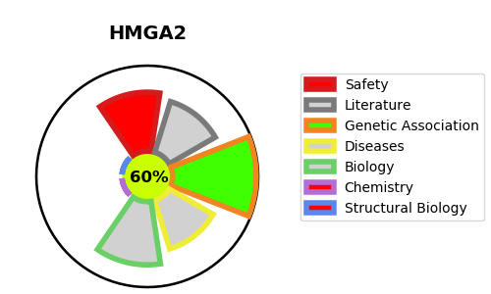
Gene_name | HMGA2 | Tractable | Tractability_probability
Synonyms | HMGIC | True | 60.59
Target_id | P52926 | In Training data set ?
Protein_class |  | No
Protein_class_desc
Species | Homo sapiens (Human).
Number_isoforms | 6

DISEASE |  | PATHWAYS
disease_id | disease_name | Reactome | KEGG
OMIM:618908 | SILVER-RUSSELL SYNDROME 5 | Cellular Senescence
 |  | Cellular responses to external stimuli
 |  | Cellular responses to stress
 |  | DNA Damage/Telomere Stress Induced Senescence
 |  | Formation of Senescence-Associated Heterochromatin Foci (SAHF)

