General info
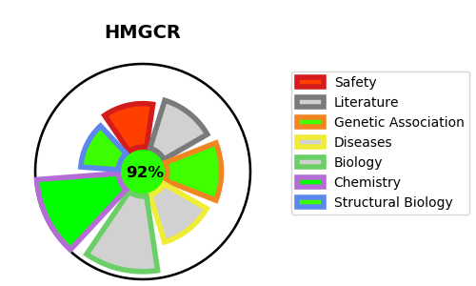
Gene_name | HMGCR | Tractable | Tractability_probability
Synonyms | 1.1.1.34,3-hydroxy-3-methylglutaryl-coenzyme A reductase,HMG-CoA reductase,HMGCR | True | 92.04
Target_id | P04035 | In Training data set ?
Protein_class | Oxidoreductase | No
Protein_class_desc | enzyme -> reductase
Species | Homo sapiens (Human).
Number_isoforms | 3

DISEASE |  | PATHWAYS
disease_id | disease_name | Reactome | KEGG
 |  | Cholesterol biosynthesis
 |  | Developmental Biology
 |  | EGR2 and SOX10-mediated initiation of Schwann cell myelination
 |  | Metabolism
 |  | Metabolism of lipids
 |  | Metabolism of steroids
 |  | Nervous system development

