General info
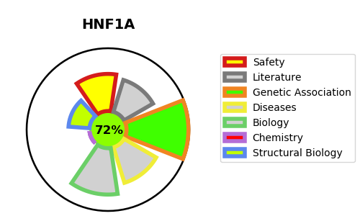
Gene_name | HNF1A | Tractable | Tractability_probability
Synonyms | TCF1 | True | 72.93
Target_id | P20823 | In Training data set ?
Protein_class |  | No
Protein_class_desc
Species | Homo sapiens (Human).
Number_isoforms | 8

DISEASE |  | PATHWAYS
disease_id | disease_name | Reactome | KEGG
OMIM:125853 | TYPE 2 DIABETES MELLITUS | Developmental Biology
OMIM:142330 | HEPATIC ADENOMAS, FAMILIAL | Regulation of beta-cell development
OMIM:144700 | RENAL CELL CARCINOMA, NONPAPILLARY | Regulation of gene expression in beta cells
OMIM:222100 | TYPE 1 DIABETES MELLITUS
OMIM:600496 | MATURITY-ONSET DIABETES OF THE YOUNG, TYPE 3
OMIM:612520 | TYPE 1 DIABETES MELLITUS 20

