General info
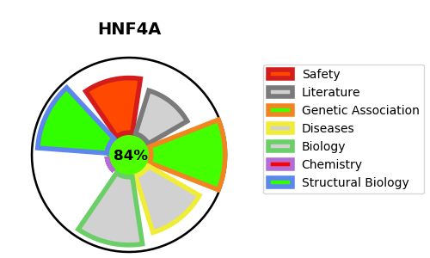
Gene_name | HNF4A | Tractable | Tractability_probability
Synonyms | HNF-4-alpha,HNF4,HNF4A,Hepatocyte nuclear factor 4-alpha,NR2A1,Nuclear receptor subfamily 2 group A member 1,TCF-14,TCF14,Transcription factor 14,Transcription factor HNF-4 | True | 84.74
Target_id | P41235 | In Training data set ?
Protein_class | Unclassified protein | No
Protein_class_desc | unclassified
Species | Homo sapiens (Human).
Number_isoforms | 7

DISEASE |  | PATHWAYS
disease_id | disease_name | Reactome | KEGG
OMIM:125850 | MATURITY-ONSET DIABETES OF THE YOUNG, TYPE 1 | Developmental Biology
OMIM:125853 | TYPE 2 DIABETES MELLITUS | Gene expression (Transcription)
OMIM:616026 | FANCONI RENOTUBULAR SYNDROME 4 WITH MATURITY-ONSET DIABETES OF THE YOUNG | Generic Transcription Pathway
 |  | Nuclear Receptor transcription pathway
 |  | RNA Polymerase II Transcription
 |  | Regulation of beta-cell development
 |  | Regulation of gene expression in beta cells

