General info
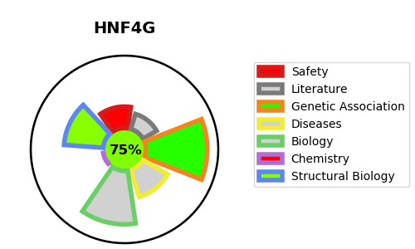
Gene_name | HNF4G | Tractable | Tractability_probability
Synonyms | HNF-4-gamma,HNF4G,Hepatocyte nuclear factor 4-gamma,NR2A2,Nuclear receptor subfamily 2 group A member 2 | True | 75.11
Target_id | Q14541 | In Training data set ?
Protein_class | Nuclear hormone receptor subfamily 2 group A member 2 | No
Protein_class_desc | transcription factor -> nuclear receptor -> nr2 -> nr2a -> nr2a2
Species | Homo sapiens (Human).
Number_isoforms | 2

DISEASE |  | PATHWAYS
disease_id | disease_name | Reactome | KEGG
 |  | Developmental Biology
 |  | Gene expression (Transcription)
 |  | Generic Transcription Pathway
 |  | Nuclear Receptor transcription pathway
 |  | RNA Polymerase II Transcription
 |  | Regulation of beta-cell development
 |  | Regulation of gene expression in beta cells

