General info
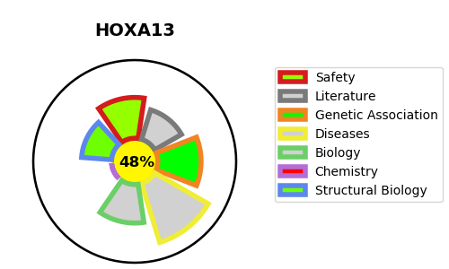
Gene_name | HOXA13 | Tractable | Tractability_probability
Synonyms | HOX1J | False | 48.29
Target_id | P31271 | In Training data set ?
Protein_class |  | No
Protein_class_desc
Species | Homo sapiens (Human).
Number_isoforms | 0

DISEASE |  | PATHWAYS
disease_id | disease_name | Reactome | KEGG
OMIM:140000 | HAND-FOOT-GENITAL SYNDROME
OMIM:176305 | PREAXIAL DEFICIENCY, POSTAXIAL POLYDACTYLY, AND HYPOSPADIAS

