General info
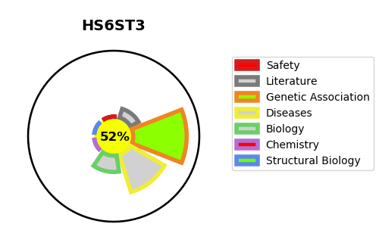
Gene_name | HS6ST3 | Tractable | Tractability_probability
Synonyms | Not found | True | 52.15
Target_id | Q8IZP7 | In Training data set ?
Protein_class |  | No
Protein_class_desc
Species | Homo sapiens (Human).
Number_isoforms | 0

DISEASE |  | PATHWAYS
disease_id | disease_name | Reactome | KEGG
 |  | Glycosaminoglycan metabolism
 |  | HS-GAG biosynthesis
 |  | Heparan sulfate/heparin (HS-GAG) metabolism
 |  | Metabolism
 |  | Metabolism of carbohydrates

