General info
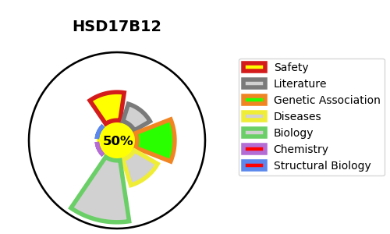
Gene_name | HSD17B12 | Tractable | Tractability_probability
Synonyms | 1.1.1.330,1.1.1.62,17-beta-HSD 12,17-beta-hydroxysteroid dehydrogenase 12,3-ketoacyl-CoA reductase,Estradiol 17-beta-dehydrogenase 12,HSD17B12,KAR,SDR12C1,Short chain dehydrogenase/reductase family 12C member 1,Very-long-chain 3-oxoacyl-CoA reductase | True | 50.21
Target_id | Q53GQ0 | In Training data set ?
Protein_class | Oxidoreductase | No
Protein_class_desc | enzyme -> reductase
Species | Homo sapiens (Human).
Number_isoforms | 2

DISEASE |  | PATHWAYS
disease_id | disease_name | Reactome | KEGG
 |  | Androgen biosynthesis
 |  | Fatty acid metabolism
 |  | Fatty acyl-CoA biosynthesis
 |  | Metabolism
 |  | Metabolism of lipids
 |  | Metabolism of steroid hormones
 |  | Metabolism of steroids
 |  | Synthesis of very long-chain fatty acyl-CoAs

