General info
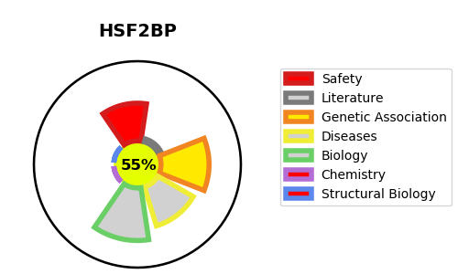
Gene_name | HSF2BP | Tractable | Tractability_probability
Synonyms | MEILB2 {ECO:0000250|UniProtKB:Q9D4G2} | True | 55.35
Target_id | O75031 | In Training data set ?
Protein_class |  | No
Protein_class_desc
Species | Homo sapiens (Human).
Number_isoforms | 2

DISEASE |  | PATHWAYS
disease_id | disease_name | Reactome | KEGG

