General info
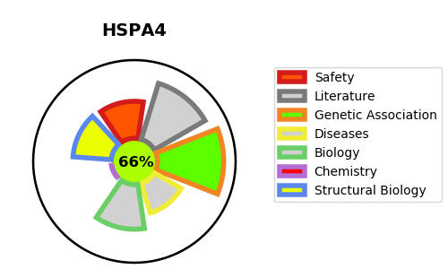
Gene_name | HSPA4 | Tractable | Tractability_probability
Synonyms | APG2 | True | 66.31
Target_id | P34932 | In Training data set ?
Protein_class |  | No
Protein_class_desc
Species | Homo sapiens (Human).
Number_isoforms | 2

DISEASE |  | PATHWAYS
disease_id | disease_name | Reactome | KEGG
 |  | Cellular response to heat stress
 |  | Cellular responses to external stimuli
 |  | Cellular responses to stress
 |  | Regulation of HSF1-mediated heat shock response

