General info
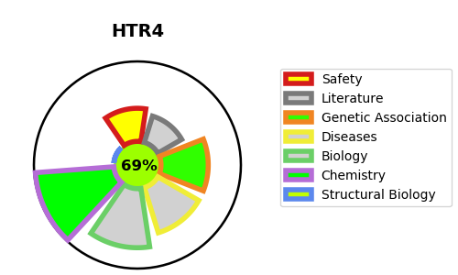
Gene_name | HTR4 | Tractable | Tractability_probability
Synonyms | 5-HT-4,5-HT4,5-hydroxytryptamine receptor 4,HTR4,Serotonin receptor 4 | True | 69.5
Target_id | Q13639 | In Training data set ?
Protein_class | Serotonin receptor | No
Protein_class_desc | membrane receptor -> 7tm1 -> smallmol -> monoamine receptor -> serotonin receptor
Species | Homo sapiens (Human).
Number_isoforms | 9

DISEASE |  | PATHWAYS
disease_id | disease_name | Reactome | KEGG
 |  | ADORA2B mediated anti-inflammatory cytokines production
 |  | Amine ligand-binding receptors
 |  | Anti-inflammatory response favouring Leishmania parasite infection
 |  | Class A/1 (Rhodopsin-like receptors)
 |  | Disease
 |  | G alpha (s) signalling events
 |  | GPCR downstream signalling
 |  | GPCR ligand binding
 |  | Infectious disease
 |  | Leishmania infection
 |  | Leishmania parasite growth and survival
 |  | Serotonin receptors
 |  | Signal Transduction
 |  | Signaling by GPCR

