General info
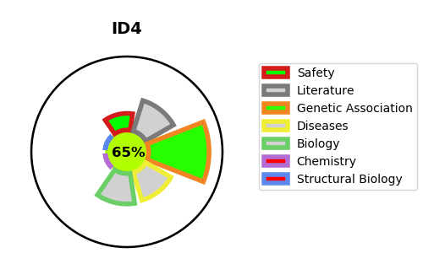
Gene_name | ID4 | Tractable | Tractability_probability
Synonyms | BHLHB27 | True | 65.26
Target_id | P47928 | In Training data set ?
Protein_class |  | No
Protein_class_desc
Species | Homo sapiens (Human).
Number_isoforms | 0

DISEASE |  | PATHWAYS
disease_id | disease_name | Reactome | KEGG
 |  | NGF-stimulated transcription
 |  | Nuclear Events (kinase and transcription factor activation)
 |  | Signal Transduction
 |  | Signaling by NTRK1 (TRKA)
 |  | Signaling by NTRKs
 |  | Signaling by Receptor Tyrosine Kinases

