General info
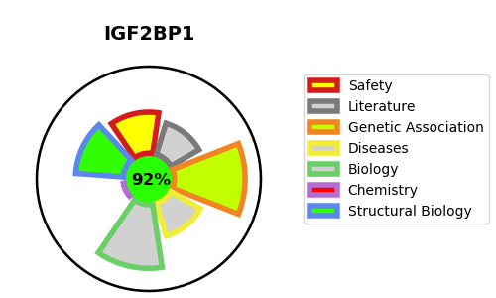
Gene_name | IGF2BP1 | Tractable | Tractability_probability
Synonyms | CRDBP, VICKZ1, ZBP1 | True | 92.02
Target_id | Q9NZI8 | In Training data set ?
Protein_class |  | No
Protein_class_desc
Species | Homo sapiens (Human).
Number_isoforms | 2

DISEASE |  | PATHWAYS
disease_id | disease_name | Reactome | KEGG
 |  | Insulin-like Growth Factor-2 mRNA Binding Proteins (IGF2BPs/IMPs/VICKZs) bind RNA
 |  | MAPK family signaling cascades
 |  | MAPK6/MAPK4 signaling
 |  | Metabolism of RNA
 |  | Signal Transduction

