General info
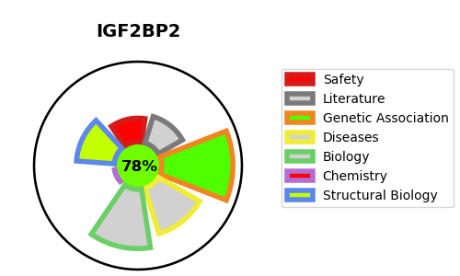
Gene_name | IGF2BP2 | Tractable | Tractability_probability
Synonyms | IMP2, VICKZ2 | True | 78.29
Target_id | Q9Y6M1 | In Training data set ?
Protein_class |  | No
Protein_class_desc
Species | Homo sapiens (Human).
Number_isoforms | 6

DISEASE |  | PATHWAYS
disease_id | disease_name | Reactome | KEGG
OMIM:125853 | TYPE 2 DIABETES MELLITUS | Insulin-like Growth Factor-2 mRNA Binding Proteins (IGF2BPs/IMPs/VICKZs) bind RNA
 |  | Metabolism of RNA

