General info
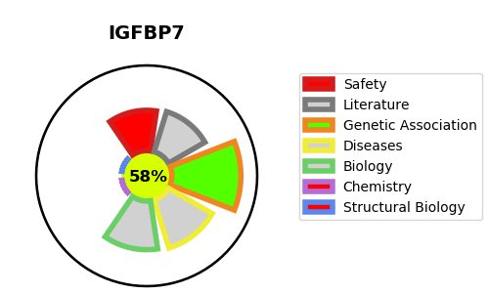
Gene_name | IGFBP7 | Tractable | Tractability_probability
Synonyms | MAC25, PSF | True | 58.23
Target_id | Q16270 | In Training data set ?
Protein_class |  | No
Protein_class_desc
Species | Homo sapiens (Human).
Number_isoforms | 2

DISEASE |  | PATHWAYS
disease_id | disease_name | Reactome | KEGG
OMIM:614224 | RETINAL ARTERIAL MACROANEURYSM WITH SUPRAVALVULAR PULMONIC STENOSIS | Cellular Senescence
 |  | Cellular responses to external stimuli
 |  | Cellular responses to stress
 |  | Metabolism of proteins
 |  | Post-translational protein modification
 |  | Post-translational protein phosphorylation
 |  | Regulation of Insulin-like Growth Factor (IGF) transport and uptake by Insulin-like Growth Factor Binding Proteins (IGFBPs)
 |  | Senescence-Associated Secretory Phenotype (SASP)

