General info
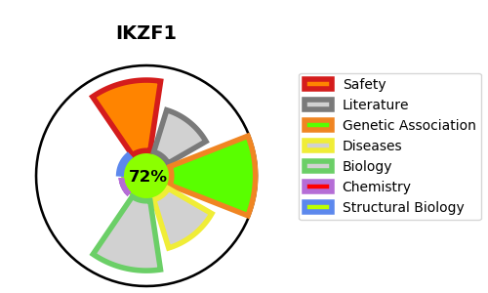
Gene_name | IKZF1 | Tractable | Tractability_probability
Synonyms | CRBN,Protein cereblon,DNA-binding protein Ikaros,IK1,IKAROS,IKZF1,Ikaros family zinc finger protein 1,LYF1,Lymphoid transcription factor LyF-1,ZNFN1A1 | True | 72.76
Target_id | Q13422 | In Training data set ?
Protein_class | Unclassified protein | Yes
Protein_class_desc | unclassified
Species | Homo sapiens (Human).
Number_isoforms | 8

DISEASE |  | PATHWAYS
disease_id | disease_name | Reactome | KEGG
OMIM:616873 | IMMUNODEFICIENCY, COMMON VARIABLE, 13

