General info
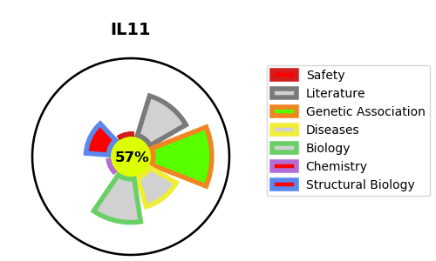
Gene_name | IL11 | Tractable | Tractability_probability
Synonyms | Not found | True | 57.01
Target_id | P20809 | In Training data set ?
Protein_class |  | No
Protein_class_desc
Species | Homo sapiens (Human).
Number_isoforms | 2

DISEASE |  | PATHWAYS
disease_id | disease_name | Reactome | KEGG
 |  | Cytokine Signaling in Immune system
 |  | IL-6-type cytokine receptor ligand interactions
 |  | Immune System
 |  | Interleukin-6 family signaling
 |  | Signaling by Interleukins

