General info
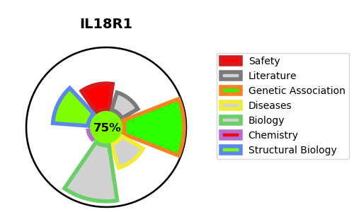
Gene_name | IL18R1 | Tractable | Tractability_probability
Synonyms | IL1RRP | True | 75.93
Target_id | Q13478 | In Training data set ?
Protein_class |  | No
Protein_class_desc
Species | Homo sapiens (Human).
Number_isoforms | 0

DISEASE |  | PATHWAYS
disease_id | disease_name | Reactome | KEGG
 |  | Cytokine Signaling in Immune system
 |  | Immune System
 |  | Interleukin-1 family signaling
 |  | Interleukin-18 signaling
 |  | Interleukin-37 signaling
 |  | Signaling by Interleukins

