General info
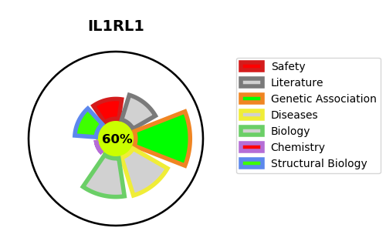
Gene_name | IL1RL1 | Tractable | Tractability_probability
Synonyms | DER4, ST2, T1 | True | 60.2
Target_id | Q01638 | In Training data set ?
Protein_class |  | No
Protein_class_desc
Species | Homo sapiens (Human).
Number_isoforms | 4

DISEASE |  | PATHWAYS
disease_id | disease_name | Reactome | KEGG
 |  | Cytokine Signaling in Immune system
 |  | Immune System
 |  | Interleukin-1 family signaling
 |  | Interleukin-33 signaling
 |  | Intracellular signaling by second messengers
 |  | Negative regulation of the PI3K/AKT network
 |  | PI5P, PP2A and IER3 Regulate PI3K/AKT Signaling
 |  | PIP3 activates AKT signaling
 |  | Signal Transduction
 |  | Signaling by Interleukins

