General info
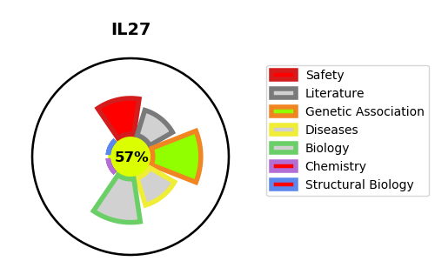
Gene_name | IL27 | Tractable | Tractability_probability
Synonyms | IL27A, IL30 | True | 57.07
Target_id | Q8NEV9 | In Training data set ?
Protein_class |  | No
Protein_class_desc
Species | Homo sapiens (Human).
Number_isoforms | 0

DISEASE |  | PATHWAYS
disease_id | disease_name | Reactome | KEGG
 |  | Cytokine Signaling in Immune system
 |  | Immune System
 |  | Interleukin-12 family signaling
 |  | Interleukin-27 signaling
 |  | Signaling by Interleukins

