General info
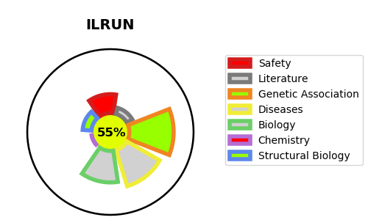
Gene_name | ILRUN | Tractable | Tractability_probability
Synonyms | C6orf106 {ECO:0000312|HGNC:HGNC:21215} | True | 55.93
Target_id | Q9H6K1 | In Training data set ?
Protein_class |  | No
Protein_class_desc
Species | Homo sapiens (Human).
Number_isoforms | 2

DISEASE |  | PATHWAYS
disease_id | disease_name | Reactome | KEGG

