General info
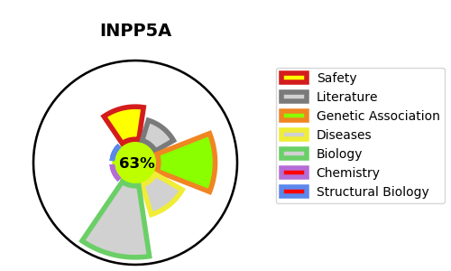
Gene_name | INPP5A | Tractable | Tractability_probability
Synonyms | 3.1.3.56,43 kDa inositol polyphosphate 5-phosphatase,5PTase,INPP5A,Inositol polyphosphate-5-phosphatase A,Type I inositol 1,4,5-trisphosphate 5-phosphatase | True | 63.12
Target_id | Q14642 | In Training data set ?
Protein_class | Phosphatase | No
Protein_class_desc | enzyme -> phosphatase
Species | Homo sapiens (Human).
Number_isoforms | 0

DISEASE |  | PATHWAYS
disease_id | disease_name | Reactome | KEGG
 |  | Inositol phosphate metabolism
 |  | Metabolism
 |  | Synthesis of IP2, IP, and Ins in the cytosol

