General info
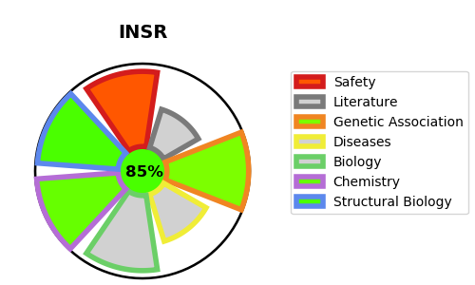
Gene_name | INSR | Tractable | Tractability_probability
Synonyms | 2.7.10.1,CD_antigen=CD220,INSR,Insulin receptor,Insulin receptor subunit alpha,Insulin receptor subunit beta | True | 85.81
Target_id | P06213 | In Training data set ?
Protein_class | Tyrosine protein kinase InsR family | Yes
Protein_class_desc | enzyme -> kinase -> protein kinase -> tk -> insr
Species | Homo sapiens (Human).
Number_isoforms | 2

DISEASE |  | PATHWAYS
disease_id | disease_name | Reactome | KEGG
OMIM:246200 | DONOHUE SYNDROME | IRS activation
OMIM:262190 | PINEAL HYPERPLASIA, INSULIN-RESISTANT DIABETES MELLITUS, AND SOMATIC ABNORMALITIES | Insulin receptor recycling
OMIM:609968 | HYPERINSULINEMIC HYPOGLYCEMIA, FAMILIAL, 5 | Insulin receptor signalling cascade
OMIM:610549 | DIABETES MELLITUS, INSULIN-RESISTANT, WITH ACANTHOSIS NIGRICANS | Intracellular signaling by second messengers
 |  | Negative regulation of the PI3K/AKT network
 |  | PI5P, PP2A and IER3 Regulate PI3K/AKT Signaling
 |  | PIP3 activates AKT signaling
 |  | Signal Transduction
 |  | Signal attenuation
 |  | Signaling by Insulin receptor
 |  | Signaling by Receptor Tyrosine Kinases

