General info
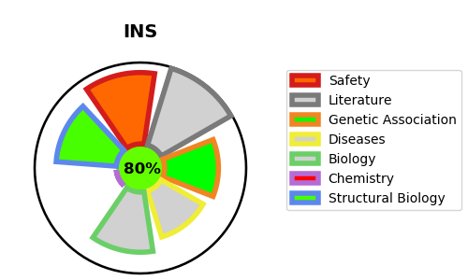
Gene_name | INS | Tractable | Tractability_probability
Synonyms | INS,Insulin,Insulin A chain,Insulin B chain | True | 80.7
Target_id | P01308 | In Training data set ?
Protein_class | Secreted protein | No
Protein_class_desc | secreted
Species | Homo sapiens (Human).
Number_isoforms | 2

DISEASE |  | PATHWAYS
disease_id | disease_name | Reactome | KEGG
OMIM:125852 | TYPE 1 DIABETES MELLITUS 2 | Amyloid fiber formation
OMIM:606176 | DIABETES MELLITUS, PERMANENT NEONATAL, 1 | Asparagine N-linked glycosylation
OMIM:613370 | MATURITY-ONSET DIABETES OF THE YOUNG, TYPE 10 | COPI-mediated anterograde transport
OMIM:616214 | HYPERPROINSULINEMIA | Developmental Biology
OMIM:618858 | DIABETES MELLITUS, PERMANENT NEONATAL, 4 | ER to Golgi Anterograde Transport
 |  | FOXO-mediated transcription
 |  | FOXO-mediated transcription of oxidative stress, metabolic and neuronal genes
 |  | Gene expression (Transcription)
 |  | Generic Transcription Pathway
 |  | IRS activation
 |  | Insulin processing
 |  | Insulin receptor recycling
 |  | Insulin receptor signalling cascade
 |  | Integration of energy metabolism
 |  | Intracellular signaling by second messengers
 |  | Membrane Trafficking
 |  | Metabolism
 |  | Metabolism of proteins
 |  | Negative regulation of the PI3K/AKT network
 |  | PI5P, PP2A and IER3 Regulate PI3K/AKT Signaling
 |  | PIP3 activates AKT signaling
 |  | Peptide hormone metabolism
 |  | Post-translational protein modification
 |  | RNA Polymerase II Transcription
 |  | Regulation of beta-cell development
 |  | Regulation of gene expression in beta cells
 |  | Regulation of insulin secretion
 |  | Signal Transduction
 |  | Signal attenuation
 |  | Signaling by Insulin receptor
 |  | Signaling by Receptor Tyrosine Kinases
 |  | Synthesis, secretion, and deacylation of Ghrelin
 |  | Transport to the Golgi and subsequent modification
 |  | Vesicle-mediated transport

