General info
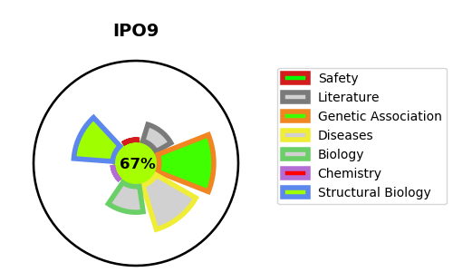
Gene_name | IPO9 | Tractable | Tractability_probability
Synonyms | IMP9, KIAA1192, RANBP9 | True | 67.46
Target_id | Q96P70 | In Training data set ?
Protein_class |  | No
Protein_class_desc
Species | Homo sapiens (Human).
Number_isoforms | 0

DISEASE |  | PATHWAYS
disease_id | disease_name | Reactome | KEGG

