General info
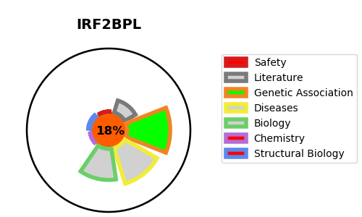
Gene_name | IRF2BPL | Tractable | Tractability_probability
Synonyms | C14orf4, EAP1, KIAA1865 | False | 18.15
Target_id | Q9H1B7 | In Training data set ?
Protein_class |  | No
Protein_class_desc
Species | Homo sapiens (Human).
Number_isoforms | 0

DISEASE |  | PATHWAYS
disease_id | disease_name | Reactome | KEGG
OMIM:618088 | NEURODEVELOPMENTAL DISORDER WITH REGRESSION, ABNORMAL MOVEMENTS, LOSS OF SPEECH, AND SEIZURES

