General info
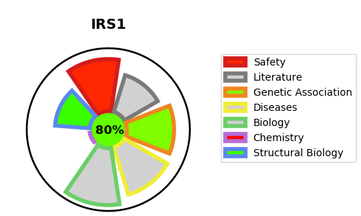
Gene_name | IRS1 | Tractable | Tractability_probability
Synonyms | Not found | True | 80.94
Target_id | P35568 | In Training data set ?
Protein_class |  | Yes
Protein_class_desc
Species | Homo sapiens (Human).
Number_isoforms | 0

DISEASE |  | PATHWAYS
disease_id | disease_name | Reactome | KEGG
OMIM:125853 | TYPE 2 DIABETES MELLITUS | Activated NTRK3 signals through PI3K
 |  | Constitutive Signaling by Aberrant PI3K in Cancer
 |  | Cytokine Signaling in Immune system
 |  | Disease
 |  | Diseases of signal transduction by growth factor receptors and second messengers
 |  | FLT3 Signaling
 |  | Growth hormone receptor signaling
 |  | IGF1R signaling cascade
 |  | IRS activation
 |  | IRS-mediated signalling
 |  | IRS-related events triggered by IGF1R
 |  | Immune System
 |  | Insulin receptor signalling cascade
 |  | Interleukin-7 signaling
 |  | Intracellular signaling by second messengers
 |  | MAPK family signaling cascades
 |  | MAPK1/MAPK3 signaling
 |  | Negative regulation of the PI3K/AKT network
 |  | PI3K Cascade
 |  | PI3K/AKT Signaling in Cancer
 |  | PI3K/AKT activation
 |  | PI5P, PP2A and IER3 Regulate PI3K/AKT Signaling
 |  | PIP3 activates AKT signaling
 |  | RAF/MAP kinase cascade
 |  | SOS-mediated signalling
 |  | Signal Transduction
 |  | Signal attenuation
 |  | Signaling by Insulin receptor
 |  | Signaling by Interleukins
 |  | Signaling by Leptin
 |  | Signaling by NTRK1 (TRKA)
 |  | Signaling by NTRK3 (TRKC)
 |  | Signaling by NTRKs
 |  | Signaling by Receptor Tyrosine Kinases
 |  | Signaling by Type 1 Insulin-like Growth Factor 1 Receptor (IGF1R)

