General info
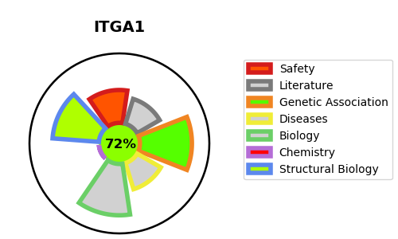
Gene_name | ITGA1 | Tractable | Tractability_probability
Synonyms | CD49 antigen-like family member A,CD_antigen=CD49a,ITGA1,Integrin alpha-1,Laminin and collagen receptor,VLA-1 | True | 72.89
Target_id | P56199 | In Training data set ?
Protein_class | Membrane receptor | No
Protein_class_desc | membrane receptor
Species | Homo sapiens (Human).
Number_isoforms | 0

DISEASE |  | PATHWAYS
disease_id | disease_name | Reactome | KEGG
 |  | Axon guidance
 |  | CHL1 interactions
 |  | Developmental Biology
 |  | Extracellular matrix organization
 |  | Hemostasis
 |  | Integrin cell surface interactions
 |  | L1CAM interactions
 |  | Laminin interactions
 |  | Muscle contraction
 |  | Nervous system development
 |  | Other semaphorin interactions
 |  | Platelet Adhesion to exposed collagen
 |  | Semaphorin interactions
 |  | Smooth Muscle Contraction

