General info
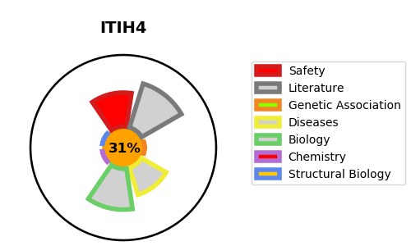
Gene_name | ITIH4 | Tractable | Tractability_probability
Synonyms | IHRP, ITIHL1, PK120 | False | 31.78
Target_id | Q14624 | In Training data set ?
Protein_class |  | No
Protein_class_desc
Species | Homo sapiens (Human).
Number_isoforms | 4

DISEASE |  | PATHWAYS
disease_id | disease_name | Reactome | KEGG
 |  | Hemostasis
 |  | Platelet activation, signaling and aggregation
 |  | Platelet degranulation
 |  | Response to elevated platelet cytosolic Ca2+

