General info
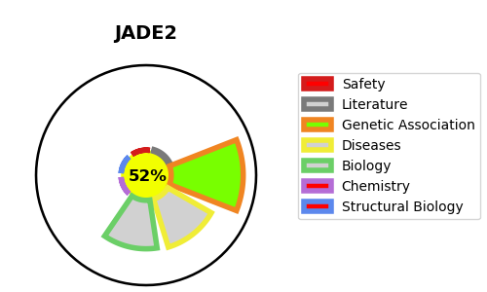
Gene_name | JADE2 | Tractable | Tractability_probability
Synonyms | KIAA0239, PHF15 | True | 52.72
Target_id | Q9NQC1 | In Training data set ?
Protein_class |  | No
Protein_class_desc
Species | Homo sapiens (Human).
Number_isoforms | 3

DISEASE |  | PATHWAYS
disease_id | disease_name | Reactome | KEGG
 |  | Chromatin modifying enzymes
 |  | Chromatin organization
 |  | HATs acetylate histones

