General info
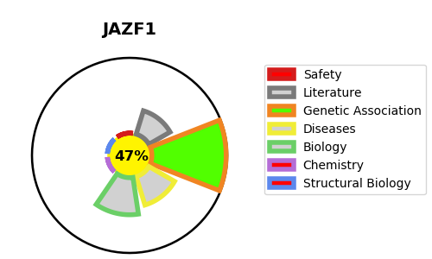
Gene_name | JAZF1 | Tractable | Tractability_probability
Synonyms | TIP27, ZNF802 | False | 47.85
Target_id | Q86VZ6 | In Training data set ?
Protein_class |  | No
Protein_class_desc
Species | Homo sapiens (Human).
Number_isoforms | 2

DISEASE |  | PATHWAYS
disease_id | disease_name | Reactome | KEGG

