General info
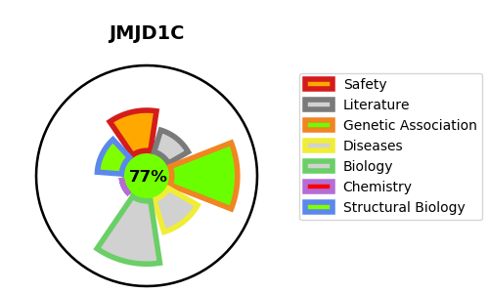
Gene_name | JMJD1C | Tractable | Tractability_probability
Synonyms | 1.14.11.-,JHDM2C,JMJD1C,Jumonji domain-containing protein 1C,KIAA1380,Probable JmjC domain-containing histone demethylation protein 2C,TR-interacting protein 8,TRIP-8,TRIP8,Thyroid receptor-interacting protein 8 | True | 77.78
Target_id | Q15652 | In Training data set ?
Protein_class | Jumonji domain-containing | No
Protein_class_desc | epigenetic regulator -> eraser -> kdm -> jumonji
Species | Homo sapiens (Human).
Number_isoforms | 3

DISEASE |  | PATHWAYS
disease_id | disease_name | Reactome | KEGG
 |  | Factors involved in megakaryocyte development and platelet production
 |  | Hemostasis

