General info
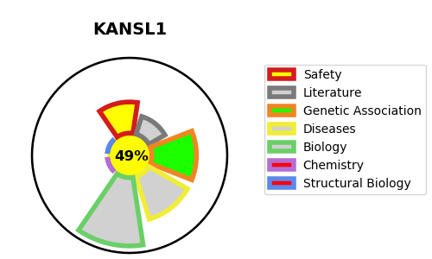
Gene_name | KANSL1 | Tractable | Tractability_probability
Synonyms | CENP-36, KIAA1267, MSL1V1, NSL1 | False | 49.58
Target_id | Q7Z3B3 | In Training data set ?
Protein_class |  | No
Protein_class_desc
Species | Homo sapiens (Human).
Number_isoforms | 3

DISEASE |  | PATHWAYS
disease_id | disease_name | Reactome | KEGG
OMIM:610443 | KOOLEN-DE VRIES SYNDROME | Chromatin modifying enzymes
 |  | Chromatin organization
 |  | HATs acetylate histones

