General info
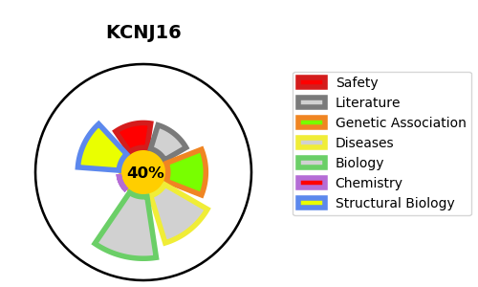
Gene_name | KCNJ16 | Tractable | Tractability_probability
Synonyms | Not found | False | 40.46
Target_id | Q9NPI9 | In Training data set ?
Protein_class |  | No
Protein_class_desc
Species | Homo sapiens (Human).
Number_isoforms | 0

DISEASE |  | PATHWAYS
disease_id | disease_name | Reactome | KEGG
 |  | Activation of G protein gated Potassium channels
 |  | Activation of GABAB receptors
 |  | G protein gated Potassium channels
 |  | GABA B receptor activation
 |  | GABA receptor activation
 |  | Inhibition of voltage gated Ca2+ channels via Gbeta/gamma subunits
 |  | Inwardly rectifying K+ channels
 |  | Neuronal System
 |  | Neurotransmitter receptors and postsynaptic signal transmission
 |  | Potassium Channels
 |  | Potassium transport channels
 |  | Transmission across Chemical Synapses

