General info
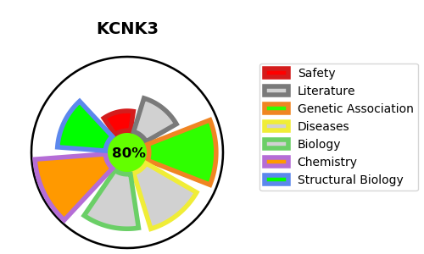
Gene_name | KCNK3 | Tractable | Tractability_probability
Synonyms | Acid-sensitive potassium channel protein TASK-1,KCNK3,Potassium channel subfamily K member 3,TASK,TASK1,TWIK-related acid-sensitive K(+) channel 1,Two pore K(+) channel KT3.1,Two pore potassium channel KT3.1 | True | 80.74
Target_id | O14649 | In Training data set ?
Protein_class | Two-pore domain potassium channel | No
Protein_class_desc | ion channel -> vgc -> k -> k2p
Species | Homo sapiens (Human).
Number_isoforms | 0

DISEASE |  | PATHWAYS
disease_id | disease_name | Reactome | KEGG
OMIM:615344 | PULMONARY HYPERTENSION, PRIMARY, 4 | Cardiac conduction
 |  | Muscle contraction
 |  | Neuronal System
 |  | Phase 4 - resting membrane potential
 |  | Potassium Channels
 |  | TWIK-releated acid-sensitive K+ channel (TASK)
 |  | Tandem pore domain potassium channels

