General info
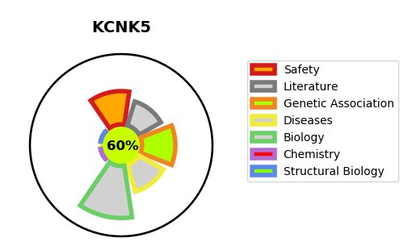
Gene_name | KCNK5 | Tractable | Tractability_probability
Synonyms | TASK2 | True | 60.86
Target_id | O95279 | In Training data set ?
Protein_class |  | No
Protein_class_desc
Species | Homo sapiens (Human).
Number_isoforms | 0

DISEASE |  | PATHWAYS
disease_id | disease_name | Reactome | KEGG
 |  | Cardiac conduction
 |  | Muscle contraction
 |  | Phase 4 - resting membrane potential

