General info
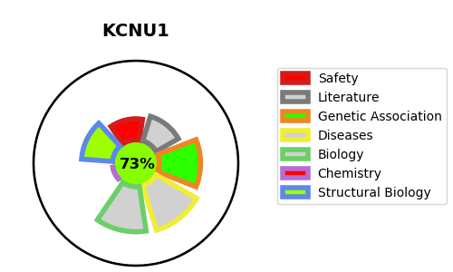
Gene_name | KCNU1 | Tractable | Tractability_probability
Synonyms | KCNMA3, KCNMC1, SLO3 | True | 73.54
Target_id | A8MYU2 | In Training data set ?
Protein_class |  | No
Protein_class_desc
Species | Homo sapiens (Human).
Number_isoforms | 0

DISEASE |  | PATHWAYS
disease_id | disease_name | Reactome | KEGG
 |  | Fertilization
 |  | Reproduction
 |  | Sperm Motility And Taxes

