General info
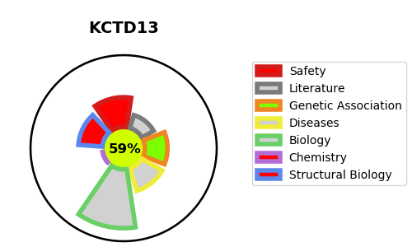
Gene_name | KCTD13 | Tractable | Tractability_probability
Synonyms | BACURD1 {ECO:0000303|PubMed:19782033}, PDIP1 {ECO:0000303|PubMed:11593007}, POLDIP1 | True | 59.31
Target_id | Q8WZ19 | In Training data set ?
Protein_class |  | No
Protein_class_desc
Species | Homo sapiens (Human).
Number_isoforms | 0

DISEASE |  | PATHWAYS
disease_id | disease_name | Reactome | KEGG

