General info
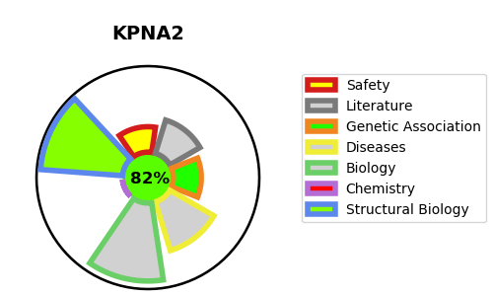
Gene_name | KPNA2 | Tractable | Tractability_probability
Synonyms | Importin subunit alpha-1,KPNA2,Karyopherin subunit alpha-2,RAG cohort protein 1,RCH1,SRP1,SRP1-alpha | True | 82.63
Target_id | P52292 | In Training data set ?
Protein_class | Unclassified protein | No
Protein_class_desc | unclassified
Species | Homo sapiens (Human).
Number_isoforms | 0

DISEASE |  | PATHWAYS
disease_id | disease_name | Reactome | KEGG
 |  | Activation of NMDA receptors and postsynaptic events
 |  | Antiviral mechanism by IFN-stimulated genes
 |  | CREB1 phosphorylation through the activation of CaMKII/CaMKK/CaMKIV cascasde
 |  | Ca-dependent events
 |  | CaM pathway
 |  | CaMK IV-mediated phosphorylation of CREB
 |  | Calmodulin induced events
 |  | Cytokine Signaling in Immune system
 |  | DAG and IP3 signaling
 |  | DNA Double Strand Break Response
 |  | DNA Double-Strand Break Repair
 |  | DNA Repair
 |  | Disease
 |  | ESR-mediated signaling
 |  | Estrogen-dependent gene expression
 |  | G alpha (i) signalling events
 |  | G-protein mediated events
 |  | GPCR downstream signalling
 |  | ISG15 antiviral mechanism
 |  | Immune System
 |  | Infectious disease
 |  | Influenza Infection
 |  | Interferon Signaling
 |  | Intracellular signaling by second messengers
 |  | NS1 Mediated Effects on Host Pathways
 |  | Neuronal System
 |  | Neurotransmitter receptors and postsynaptic signal transmission
 |  | Opioid Signalling
 |  | PLC beta mediated events
 |  | Post NMDA receptor activation events
 |  | Sensing of DNA Double Strand Breaks
 |  | Signal Transduction
 |  | Signaling by GPCR
 |  | Signaling by Nuclear Receptors
 |  | Transmission across Chemical Synapses

